Sheet1
0.059725 | (mineral water, spaghetti)
0.052660 | (mineral water, chocolate)
0.050927 | (eggs, mineral water)
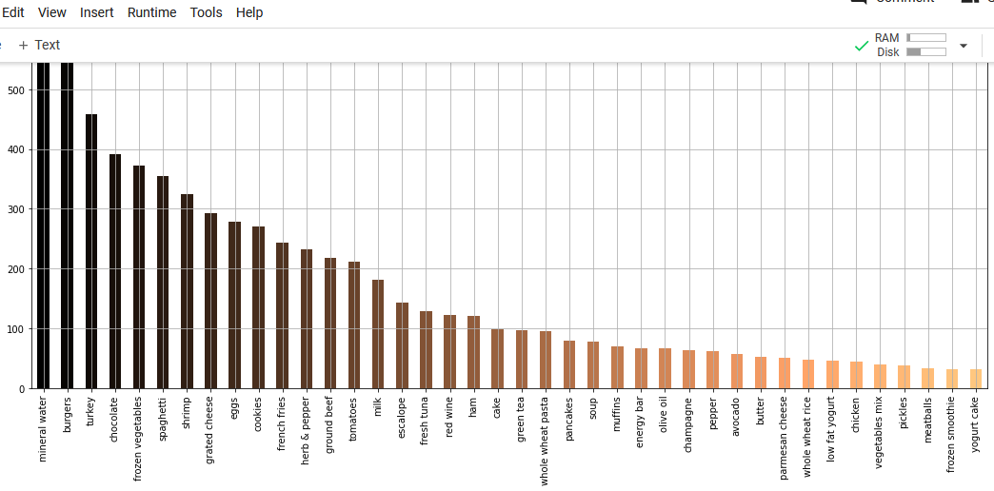
0.047994 | (milk, mineral water)
0.040928 | (ground beef, mineral water)
0.039195 | (chocolate, spaghetti)
0.039195 | (ground beef, spaghetti)
0.036528 | (eggs, spaghetti)
0.036395 | (french fries, eggs)
0.035729 | (mineral water, frozen vegetables)
0.035462 | (milk, spaghetti)
0.034395 | (french fries, chocolate)

